Dimensions
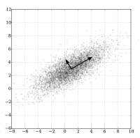
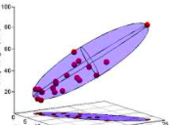

GreenPaint1
Green
Blue | Yellow
3 | 3
4 | 4
3 | 3
4 | 4
3 | 3
4 | 4
1 | 1
5 | 5
2 | 2
2 | 2
1 | 1
1 | 1
3 | 3
3 | 3
1 | 1
4 | 4
2 | 2
3 | 3
5 | 5
4 | 4
4 | 4
1 | 1

GreenPaint2
Green
Blue | Yellow | PC1 | PC2
4 | 4 | 4 | 0
2 | 2 | 2 | 0
3 | 3 | 3 | 0
4 | 4 | 4 | 0
5 | 5 | 5 | 0
1 | 1 | 1 | 0
1 | 1 | 1 | 0
5 | 5 | 5 | 0
1 | 1 | 1 | 0
3 | 3 | 3 | 0
5 | 5 | 5 | 0
2 | 2 | 2 | 0
3 | 3 | 3 | 0
3 | 3 | 3 | 0
5 | 5 | 5 | 0
4 | 4 | 4 | 0
2 | 2 | 2 | 0
3 | 3 | 3 | 0
1 | 1 | 1 | 0
1 | 1 | 1 | 0
3 | 3 | 3 | 0
4 | 4 | 4 | 0

LimePaint
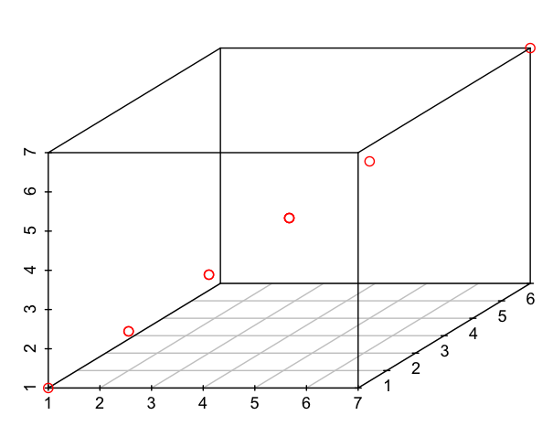
Blue | Yellow | White | PC1 | PC2 | PC3
2 | 2 | 2 | 1.98 | 0 | 0
2 | 2 | 2 | 1.98 | 0 | 0
3 | 3 | 3 | 2.97 | 0 | 0
1 | 1 | 1 | 0.99 | 0 | 0
5 | 5 | 5 | 4.95 | 0 | 0
5 | 5 | 5 | 4.95 | 0 | 0
2 | 2 | 2 | 1.98 | 0 | 0
1 | 1 | 1 | 0.99 | 0 | 0
1 | 1 | 1 | 0.99 | 0 | 0
5 | 5 | 5 | 4.95 | 0 | 0
2 | 2 | 2 | 1.98 | 0 | 0
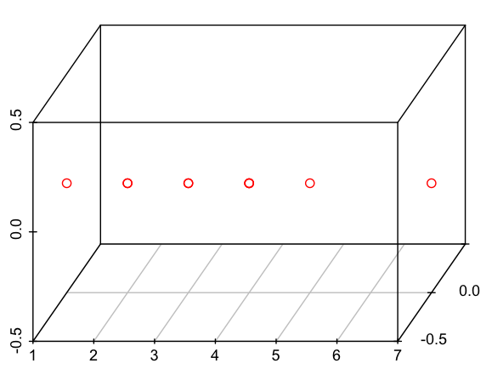
3 | 3 | 3 | 2.97 | 0 | 0
1 | 1 | 1 | 0.99 | 0 | 0
5 | 5 | 5 | 4.95 | 0 | 0
1 | 1 | 1 | 0.99 | 0 | 0
1 | 1 | 1 | 0.99 | 0 | 0
1 | 1 | 1 | 0.99 | 0 | 0
4 | 4 | 4 | 3.96 | 0 | 0
1 | 1 | 1 | 0.99 | 0 | 0
5 | 5 | 5 | 4.95 | 0 | 0
1 | 1 | 1 | 0.99 | 0 | 0
3 | 3 | 3 | 2.97 | 0 | 0

Code_R
d = < Some data set >
d_centered = scale(d, center=TRUE, scale=FALSE)
covmat = cov(d_centered)
e = eigen(covmat)
loadings = e$vectors
values = e$values
k = < selected number of components >
pc = as.matrix(d) %*% loadings[,1:k]

